General Information
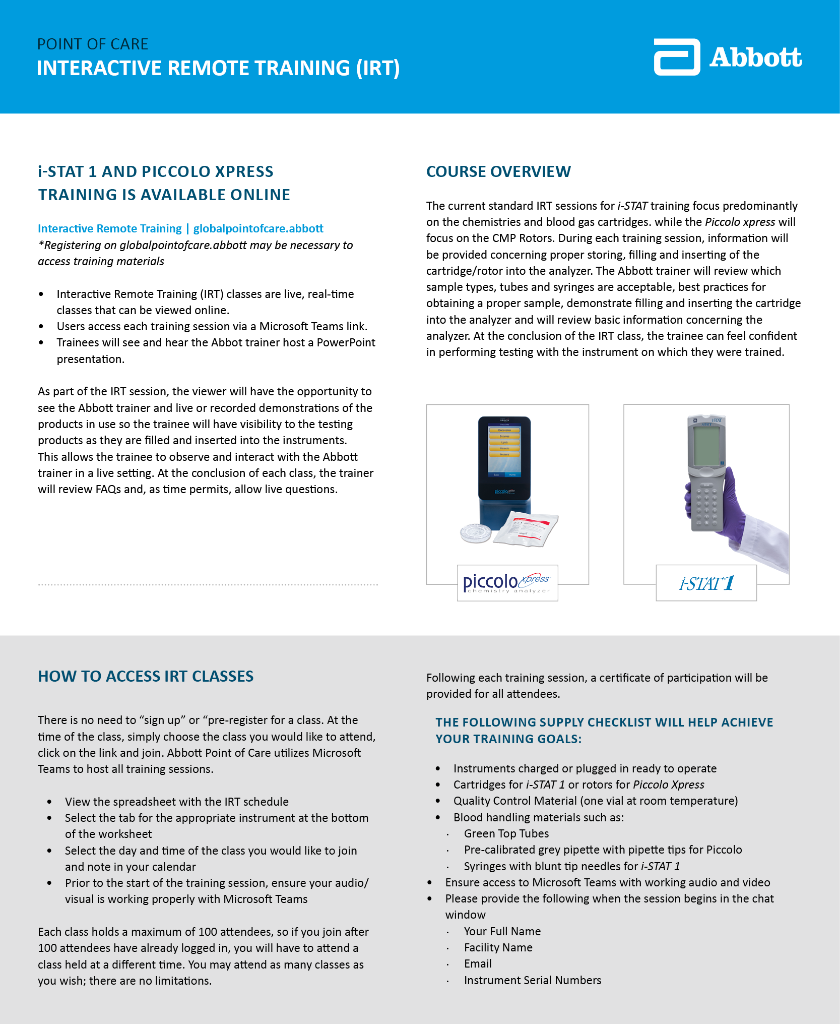
i-STAT Support: https://www.globalpointofcare.abbott/en/support/istat-brand.html

